GPA
vlookup, absolute reference, sumproduct, goal seek

ECON Course | Credit Hour | LetterGrade | NumberGrade | Lookup Table
Principles of Micro | 3 | B |  | Letter Grade | NumberGrade
Principles of Macro | 3 | B |  | A | 4
Intermediate Micro | 3 | C |  | B | 3
Intermediate Macro | 3 | C |  | C | 2
Data Analysis | 3 | B |  | D | 1
Econometrics | 3 | C |  | F | 0
Urban | 3 | C
Game Theory | 3 | B |  | Use Goal Seek to know your target grade
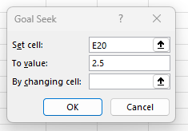
Managerial | 3 | C
International Trade | 3 | B
Economics of Everything | 3 | C
Discrimination | 3 | C

Credit Hours & Points
ECON GPA

Date
1. Date Function
 |  | Date | Year | Month | Day | Date Function | Serial Date
 |  | 2026-02-27 | 2026 | 2 | 27 | 2026-02-27 | 46080
 |  | 2021-03-18
 |  | 1900-01-01

Birthdays
Today:
[1] Put a formula in B2 that will always display the current date, regardless of when the spreadsheet is opened.
[1] The birthdays in column C are date serial numbers. Format them as 14-Mar-2012 (day, 3-letter month, 4-digit year).
[3] Put a formula in column D that will compute the age that the person will be after his/her birthay this year. Do this by subtracting the year of the person's birth from the current year. NOTE: You cannot simply type in the current year. You must use a formula that will work if the spreadsheet is opened today, and will also work if the spreadsheet is opened next year (or any other year).
Note: You may use DATEDIF for better results.
[3] Put a formula in column E that will display the logical value TRUE if the person has a birthday this month, and FALSE otherwise. Again, this must work regardless of the month that the spreadsheet is opened. See if the month of the date in B2 is equal to the month of the date in column C.
FIRST NAME | LAST NAME | BIRTH DATE | AGE THIS YEAR | BIRTHDAY THIS MONTH
George | Washington | 33920
John | Adams | 34877
Thomas | Jefferson | 35055 |  |  | #NUM!
James | Madison | 34773
James | Monroe | 33565
John Q. | Adams | 33533
Andrew | Jackson | 34276
Martin | Van Buren | 34043
William | Harrison | 33751
John | Tyler | 33401
Zachary | Taylor | 33630
William | Polk | 33199
Millard | Fillmore | 33662
John | Pierce | 34086
James | Buchanan | 33963
Abraham | Lincoln | 33255
Andrew | Johnson | 33951
Ulysses | Grant | 33697
Rutherford | Hayes | 32886
James | Garfield | 33411
Chester | Arthur | 34160
Grover | Cleveland | 34905
Henry | Harrison | 33103
Grover | Cleveland | 34315
William | McKinley | 33001
Theodore | Roosevelt | 34229
William | Taft | 34904
Woodrow | Wilson | 33897
Warren | Harding | 34971
Calvin | Coolidge | 33526
Herbert | Hoover | 34484
Franklin | Roosevelt | 33451
Harry | Truman | 33640
Dwight | Eisenhower | 34540
John | Kennedy | 33749
Lyndon | Johnson | 33213
Richard | Nixon | 33313
Gerald | Ford | 33479
James | Carter | 34430
Ronald | Reagan | 33254
George H.W. | Bush | 33512
Bill | Clinton | 33422
George W. | Bush | 34626

Finance
[3] (gray area) If you invest $25,000 and leave it in the bank without adding anything to it, at 8% compounded quarterly (at the end of each quarter) for 10 years, how much money will you have at the end of the 10 years? Put the data into the appropriate cells in the spreadsheet and then compute the answer in C9.
[3] (green area) If you borrow $30,000 at 10% and pay it all back in monthly payments (at the end of each month) over 10 years, how much will your payment be each month? Put the data into the appropriate cells in the spreadsheet and then compute the answer in C19.
[3] (purple area) You know that you can afford to make monthly payments of $400 for a car. If you borrow the money, you will have to pay it back in monthly payments for 4 years at an annual rate of 4.00%. Your payments will be at the END of the month. How much can you afford to spend on a car? Put the data into the appropriate cells in the spreadsheet and then compute the answer in C29.
1 | Investment amount:
 | Regular Payment:
 | Annual Rate:
 | Years:
 | Periods Per Year:
 | Rate Per Period:
 | Total Number of Periods:
 | Beg(1)/End(0)
 | Ending Value:

2 | Loan Amount:
 | Ending Balance:
 | Annual Rate:
 | Years:
 | Periods Per Year:
 | Rate Per Period:
 | Total Number of Periods:
 | Beg(1)/End(0)
 | Monthly Payment:

3 | Monthly Payment:
 | Periods Per Year:
 | Years:
 | Annual Rate:
 | Rate per Period:
 | Total Number of Periods:
 | Ending balance:
 | Beg(1)/End(0)
 | Amount you can borrow:

Sales_Pivot
PivotTable is a simple tool used to summarize and reorganize large datasets.
"Insert" Tab=>Choose "Pivot Table"
The Create PivotTable dialog box.
Click a data source (select the data you want to include in your PivotTable.)
Click to select where to place the output.
The PivotTable tools
Select the fields you want to include.
Click & drag discrete data fields into the Row/Column Labels boxes.
Continuous data fields in the sum Value box.
Use the value Field Setting Dialog box to change "sum" to "average" or "count."
Monthly Sales and Quantity | Top 5 Product Type
Insert a Pivot Table from the Sales data. | Put "Product Type" into Row field
Put "Date" into Row field. | "Sales" into Value field
"Sales" and "Qty" into Value field. | Add a column chart
Delete Quarter to show monthly | Sort by Sales in descending order
Right click the Pivot table for more options. | Value Filter by Product Type for Top 5 Sales
 | Add timeline and a Slicer for Gender
Charting
Under PivotTableOptions, insert a combo chart
Select a line and secondary Axis for "QTY".
Customize the format:

Vlookup
VLOOKUP (lookup_value, table_array, column_index_num, range_lookup)
Use VLOOKUP Function to search for the lookup value in the first column of a range of cells,
and then return a value from the cell in a specified column on the same row of the range.
lookup_value: The value to look for in the first column of a table. It could be a value, a cell reference, or a text string.
table_array: the table array from which to retrieve a value. This could be a reference to a range of cells or a named range.
column_index_num: the column number in the table_array with the corresponding return value.
Match_type: [optional] TRUE (or 1) = approximate match (default). FALSE (or 0)= exact match.

 |  |  |  |  | ID | Industry | Occupation | Wage | Ed | South | Nonwh | Hisp | Fe | Ex | Marr | Age | Union
Wage | Match |  | Array |  | 1096588 | 1 | 0 | 19,388 | 6 | 1 | 0 | 0 | 0 | 45 | 1 | 57 | 0
 |  |  |  |  | 1056904 | 2 | 0 | 49,898 | 12 | 0 | 0 | 0 | 0 | 33 | 1 | 51 | 1
 |  |  |  |  | 1018343 | 0 | 3 | 28,219 | 12 | 1 | 0 | 0 | 0 | 12 | 1 | 30 | 0
 |  |  |  |  | 1041245 | 0 | 5 | 83,601 | 17 | 0 | 0 | 1 | 0 | 18 | 1 | 41 | 0
 |  |  |  |  | 1085115 | 0 | 4 | 29,736 | 8 | 0 | 0 | 1 | 0 | 47 | 1 | 61 | 1
 |  |  |  |  | 1097210 | 1 | 0 | 50,235 | 16 | 0 | 0 | 0 | 0 | 12 | 1 | 34 | 0
 |  |  |  |  | 1009753 | 0 | 2 | 45,976 | 12 | 0 | 0 | 0 | 0 | 43 | 1 | 61 | 1
 |  |  |  |  | 1083628 | 0 | 3 | 19,227 | 12 | 0 | 0 | 0 | 1 | 15 | 1 | 33 | 0
 |  |  |  |  | 1085915 | 1 | 0 | 32,786 | 11 | 1 | 0 | 0 | 0 | 37 | 1 | 54 | 1
 |  |  |  |  | 1067611 | 0 | 4 | 28,440 | 12 | 0 | 0 | 0 | 1 | 24 | 1 | 42 | 0

VLOOKUP (lookup_value, table_array, column_index_num, range_lookup (Exact or Approximate))
Absolute Reference

ID | Wage
1006532
1072615
1057220
1067179
1041245
1062114
1085115
1077722
1056904

Match(Lookup_value, Lookup_array, Match_type)

ID | Wage | Ed | Ex | Age | Union
1006532
1072615
1057220
1067179
1041245
1062114
1085115
1077722
1056904

PowerQuery
1. Get Data
 | From Multiple Sheets in 1 file
 | Data Tab =>PowerQuery=>Get Data from File =>From Excel Workbook
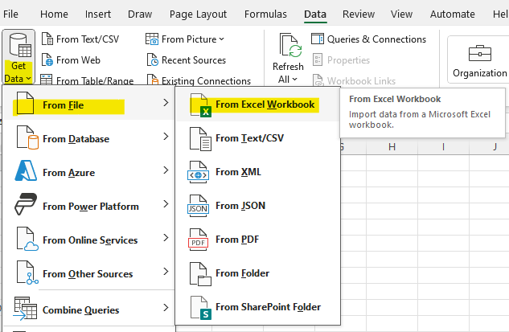

 | Locate the file with mutiple sheets you want to combine and click "import."
 | Then, choose "the folder icon" Click " and click "Transform Data"
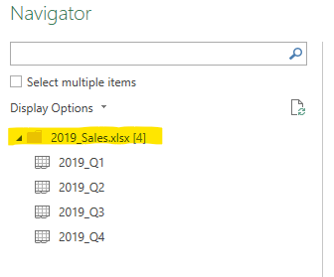

 | From Multiple Files
 | Put the files in one foler first.
 | Data Tab =>PowerQuery=>Get Data from File =>From Folder =>Click "Transform Data"

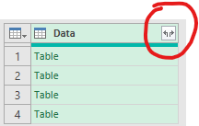
2. Transform
 | Keep the table column (with content) and Remove other columns
 | On the Data column, click the combine button.

 | Use the first row as header
 | Close and load to a sheet.

3. Combine
 | Check for the repeated headers and delete if needed
 | Save and Close

 | To add new data, just add a sheet with new data to the original file. The new sheet must be placed last.
 | Refreash All

